TC Req Form
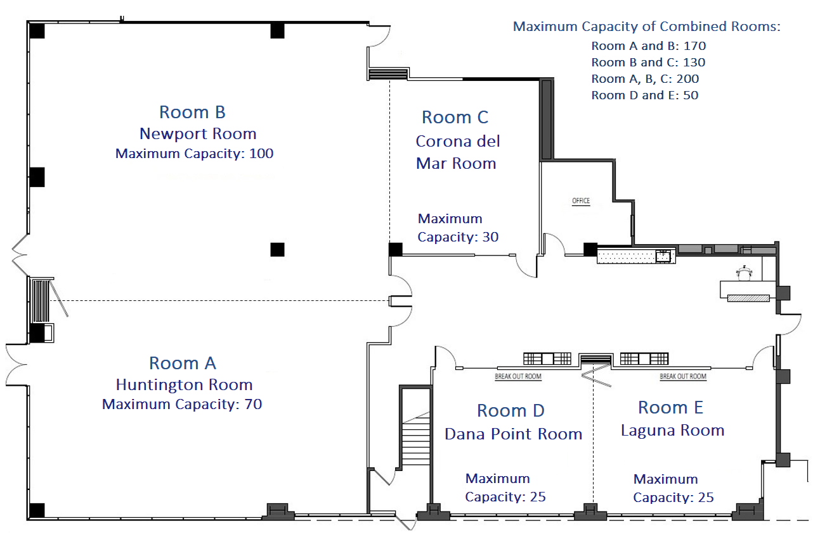
Behavioral Health Training Services
Training Center Request Form
750 The City Drive South, Suite 130, Orange,CA 92868
Email form to |  | BHTS@ochca.com. |  |  | For more information please contact us at 714-667-5600.
Date Today:

Requestor Information
Requestor Full Name |  |  |  | Program Name |  |  | Agency Name

Email |  |  |  | Phone Number |  |  | Fax Number

Name of Supervisor |  |  |  |  | Supervisor's Email

Training / Event Information
Training / Event Name |  |  |  |  |  | Requested Date(s) |  | Start & End Time

Requested Arrival Time of Presenter |  |  |  | Total # of Days for Training / Event |  |  | # of Attendees

Room Preference
Room Number: | Pick a selection. |  |  | Layout Options: |  | Pick a selection.
 | Select a room number above to see the room capacity

Equipment Assistance
Requestor will bring:
Requestor will need:

Comments:

For Office Use Only:
Completed By: |  |  | Approved By: |  |  | Date Submitted: |  | Initials:

Training Center Full Layout

